Section 1
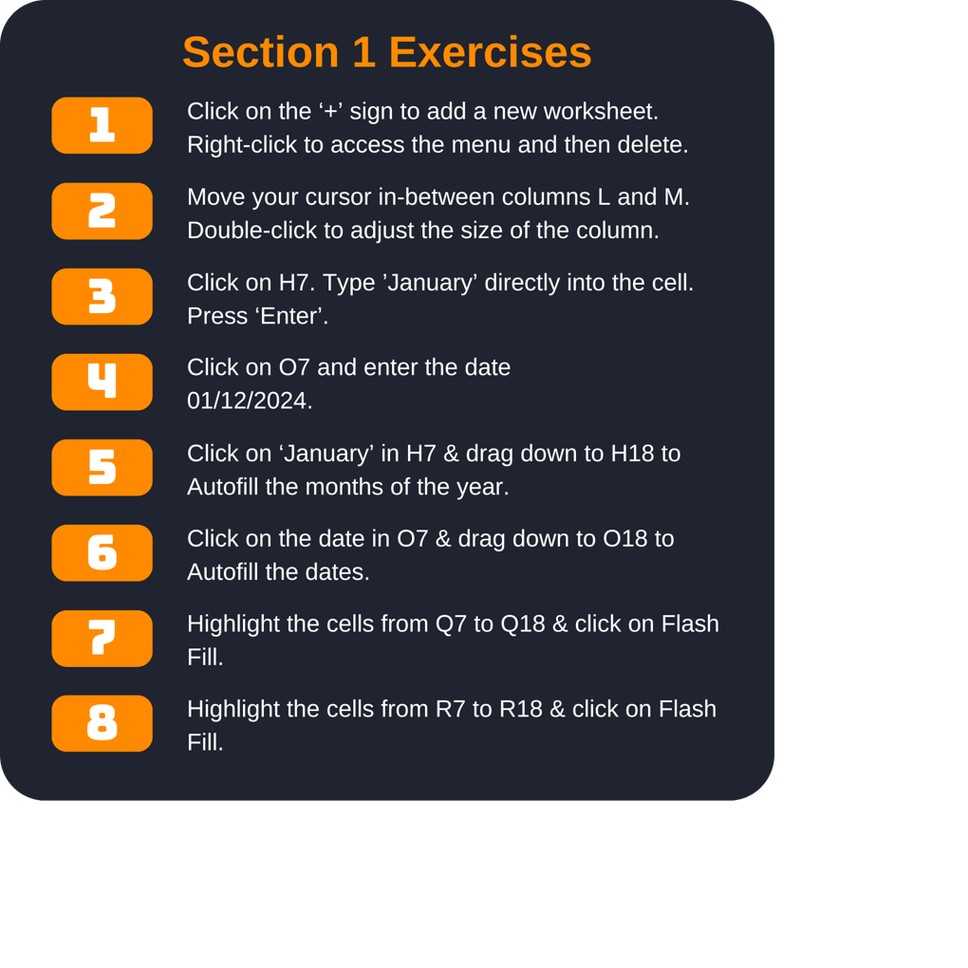
Personal Finance Tracker

Monthly Summary |  |  |  |  | December Expenses
Month | Income | Expenses | Fixed Costs | Savings | Date | Expense | Type | Store | Total
 | $5,185.00 | $1,500.45 | $1,255.48 | $2,429.07 |  | Groceries, Seven-eleven | Groceries | Seven-Eleven | $3.32
 | $3,528.00 | $1,756.85 | $1,255.48 | $2,944.74 |  | TV, TV Warehouse |  |  | $599.00
 | $3,587.00 | $1,945.23 | $1,255.48 | $386.29 |  | Groceries, Spar |  |  | $9.75
 | $3,865.00 | $1,800.64 | $1,255.48 | $808.88 |  | Clothes, Tesco |  |  | $42.50
 | $3,746.00 | $1,840.62 | $1,255.48 | $649.90 |  | Shelves, Walmart |  |  | $87.99
 | $4,254.00 | $1,921.10 | $1,255.48 | $1,077.42 |  | Groceries, Spar |  |  | $42.25
 | $3,468.00 | $1,874.16 | $1,255.48 | $338.36 |  | Groceries, Tesco |  |  | $200.66
 | $3,215.00 | $1,564.29 | $1,255.48 | $395.23 |  | Take-out, Pizza Hut |  |  | $37.50
 | $2,421.00 | $1,743.50 | $1,255.48 | $-577.98 |  | Groceries, Seven-eleven |  |  | $8.75
 | $4,045.00 | $1,304.28 | $1,255.48 | $1,485.24 |  | Groceries, Seven-eleven |  |  | $4.85
 | $2,350.00 | $1,703.82 | $1,255.48 | $-609.30 |  | Clothes, Next |  |  | $132.85
 | $5,205.00 | $1,353.57 | $1,255.48 | $2,595.95 |  | Groceries, Tesco |  |  | $184.15
Total | $44,869.00 | $20,308.51 | $15,065.76 | $11,923.80 | Total |  |  |  | $1,353.57

