Section 4
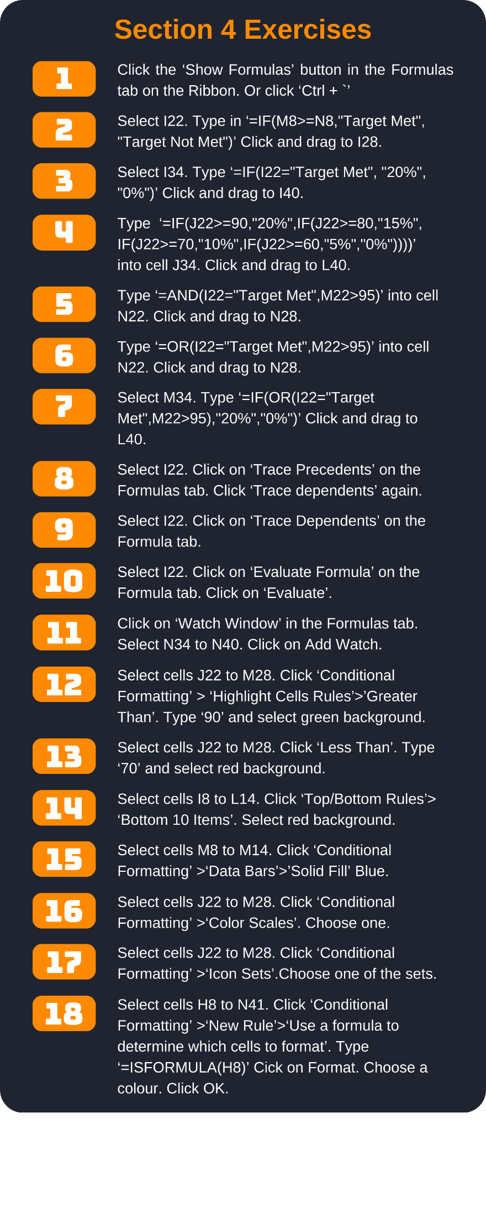
Employee Sales Report

Year | 2023

Employee name | Sales (Q1) | Sales (Q2) | Sales (Q3) | Sales (Q4) | Year Total | Target
Steven | 21417 | 20191 | 17734 | 15547 | 74889 | $83,400.00
Jim | 17292 | 27645 | 24881 | 19993 | 89811 | $86,400.00
Melissa | 19996 | 18470 | 26628 | 17621 | 82715 | $83,400.00
Cecilia | 26885 | 22115 | 18664 | 21122 | 88786 | $86,400.00
Tania | 23146 | 27872 | 19008 | 19811 | 89837 | $86,400.00
Michelle | 22736 | 27696 | 23277 | 27038 | 100747 | $95,800.00
Katherine | 21577 | 17516 | 16320 | 26599 | 82012 | $83,400.00
Sub total | $153,049.00 | $161,505.00 | $146,512.00 | $147,731.00 | $608,797.00 | $605,200.00

Employee Performance Report

Employee Name | Target Met | Work Quality | Productivity | Knowledge | Average | High Performance
Steven |  | 60 | 75 | 75 | 70
Jim |  | 90 | 95 | 85 | 90
Melissa |  | 95 | 95 | 100 | 97
Cecilia |  | 95 | 85 | 90 | 90
Tania |  | 85 | 80 | 95 | 87
Michelle |  | 95 | 100 | 95 | 97
Katherine |  | 65 | 95 | 70 | 77

Employee Bonus Report

Employee Name | Target | Work Quality | Productivity | Knowledge | High Performance | Bonus eligible
Steven |  |  |  |  |  | 0%
Jim |  |  |  |  |  | 0%
Melissa |  |  |  |  |  | 0%
Cecilia |  |  |  |  |  | 0%
Tania |  |  |  |  |  | 0%
Michelle |  |  |  |  |  | 0%
Katherine |  |  |  |  |  | 0%
Totals allowed | 20% | 20% | 20% | 20% | 20% | 100%

