Section 6
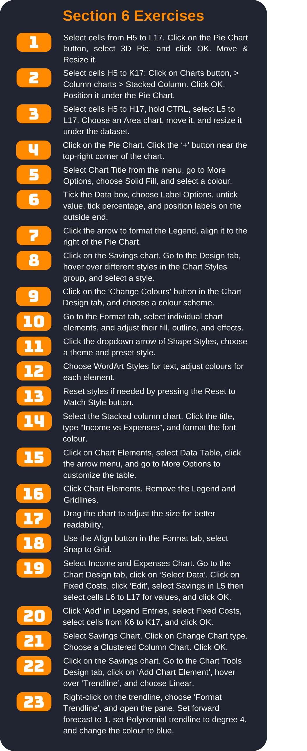
Annual Accounts

Month | Income | Expenses | Fixed Costs | Savings
January | $5,185.00 | $1,500.45 | $1,255.48 | $2,429.07
February | $3,528.00 | $1,756.85 | $1,255.48 | $515.67
March | $3,587.00 | $1,945.23 | $1,255.48 | $386.29
April | $3,865.00 | $1,800.64 | $1,255.48 | $808.88
May | $3,746.00 | $1,840.62 | $1,255.48 | $649.90
June | $4,254.00 | $1,921.10 | $1,255.48 | $1,077.42
July | $3,468.00 | $1,874.16 | $1,255.48 | $338.36
August | $3,215.00 | $1,564.29 | $1,255.48 | $395.23
September | $2,421.00 | $1,743.50 | $1,255.48 | $-577.98
October | $4,045.00 | $1,304.28 | $1,255.48 | $1,485.24
November | $2,350.00 | $1,703.82 | $1,255.48 | $-609.30
December | $5,205.00 | $1,353.57 | $1,255.48 | $2,595.95
Sub total | $44,869.00 | $20,308.51 | $15,065.76 | $9,494.73

