Section 1
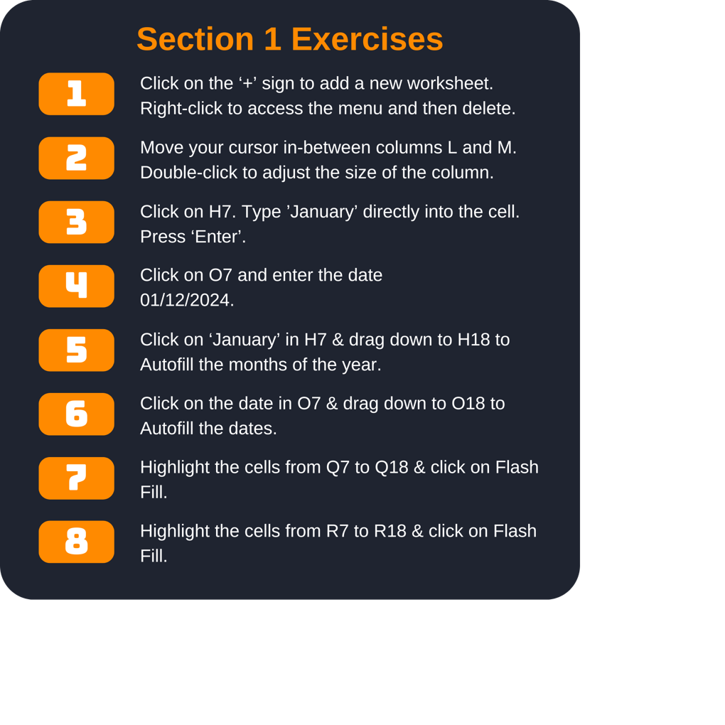
Personal Finance Tracker

Monthly Summary |  |  |  |  | December Expenses
Month | Income | Expenses | Fixed Costs | Savings | Date | Expense | Type | Store | Total
 | $5,185.00 | $1,500.45 | $1,255.48 | $2,429.07 |  | Groceries, Seven-eleven | Groceries | Seven-Eleven | $3.32
 | $3,528.00 | $1,756.85 | $1,255.48 | $2,944.74 |  | TV, TV Warehouse |  |  | $599.00
 | $3,587.00 | $1,945.23 | $1,255.48 | $386.29 |  | Groceries, Spar |  |  | $9.75
 | $3,865.00 | $1,800.64 | $1,255.48 | $808.88 |  | Clothes, Tesco |  |  | $42.50
 | $3,746.00 | $1,840.62 | $1,255.48 | $649.90 |  | Shelves, Walmart |  |  | $87.99
 | $4,254.00 | $1,921.10 | $1,255.48 | $1,077.42 |  | Groceries, Spar |  |  | $42.25
 | $3,468.00 | $1,874.16 | $1,255.48 | $338.36 |  | Groceries, Tesco |  |  | $200.66
 | $3,215.00 | $1,564.29 | $1,255.48 | $395.23 |  | Take-out, Pizza Hut |  |  | $37.50
 | $2,421.00 | $1,743.50 | $1,255.48 | $-577.98 |  | Groceries, Seven-eleven |  |  | $8.75
 | $4,045.00 | $1,304.28 | $1,255.48 | $1,485.24 |  | Groceries, Seven-eleven |  |  | $4.85
 | $2,350.00 | $1,703.82 | $1,255.48 | $-609.30 |  | Clothes, Next |  |  | $132.85
 | $5,205.00 | $1,353.57 | $1,255.48 | $2,595.95 |  | Groceries, Tesco |  |  | $184.15
Total | $44,869.00 | $20,308.51 | $15,065.76 | $11,923.80 | Total |  |  |  | $1,353.57

Section 2
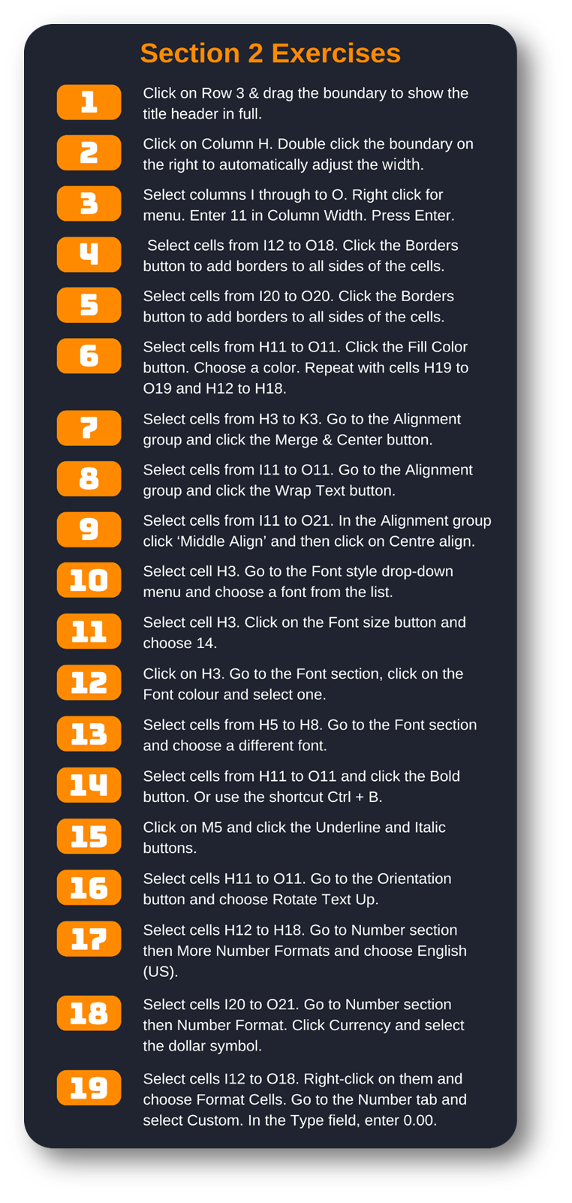
Weekly Employee Timesheet

The Great Company |  |  |  | Employee Name: | Sylvia Foot
1 New Street |  |  |  | Supervisor Name:
Oldtown |  |  |  | Week ending:
Springfield

Date | Regular [h].mm | Overtime [h].mm | Sick [h].mm | Vacation [h].mm | Unpaid [h].mm | Other [h].mm | Total [h].mm
2024-09-16 |  |  |  | 8.3 |  |  | 8.3
2024-09-17 |  |  | 8.3 |  |  |  | 8.3
2024-09-18 | 8.3 |  |  |  |  |  | 8.3
2024-09-19 | 8.3 | 4.0 |  |  |  |  | 12.3
2024-09-20 | 8.3 | 4.0 |  |  |  |  | 12.3
2024-09-21 |  | 4.0 |  |  |  |  | 4.0
2024-09-22 |  |  |  |  |  |  | 0.0
Total hrs | 24.8 | 12.0 | 8.3 | 8.3 | 0.0 | 0.0 | 53.3
Rate/Hour | 15.3 | 22.9 | 15.3 | 15.3 | 0.0 | 0.0
Total Pay | $377.44 | $274.80 | $125.81 | $125.81 | $- | $- | $903.86

 |  | Total Hours reported | 53.25
 |  | Total Pay | 903.86

Section 4
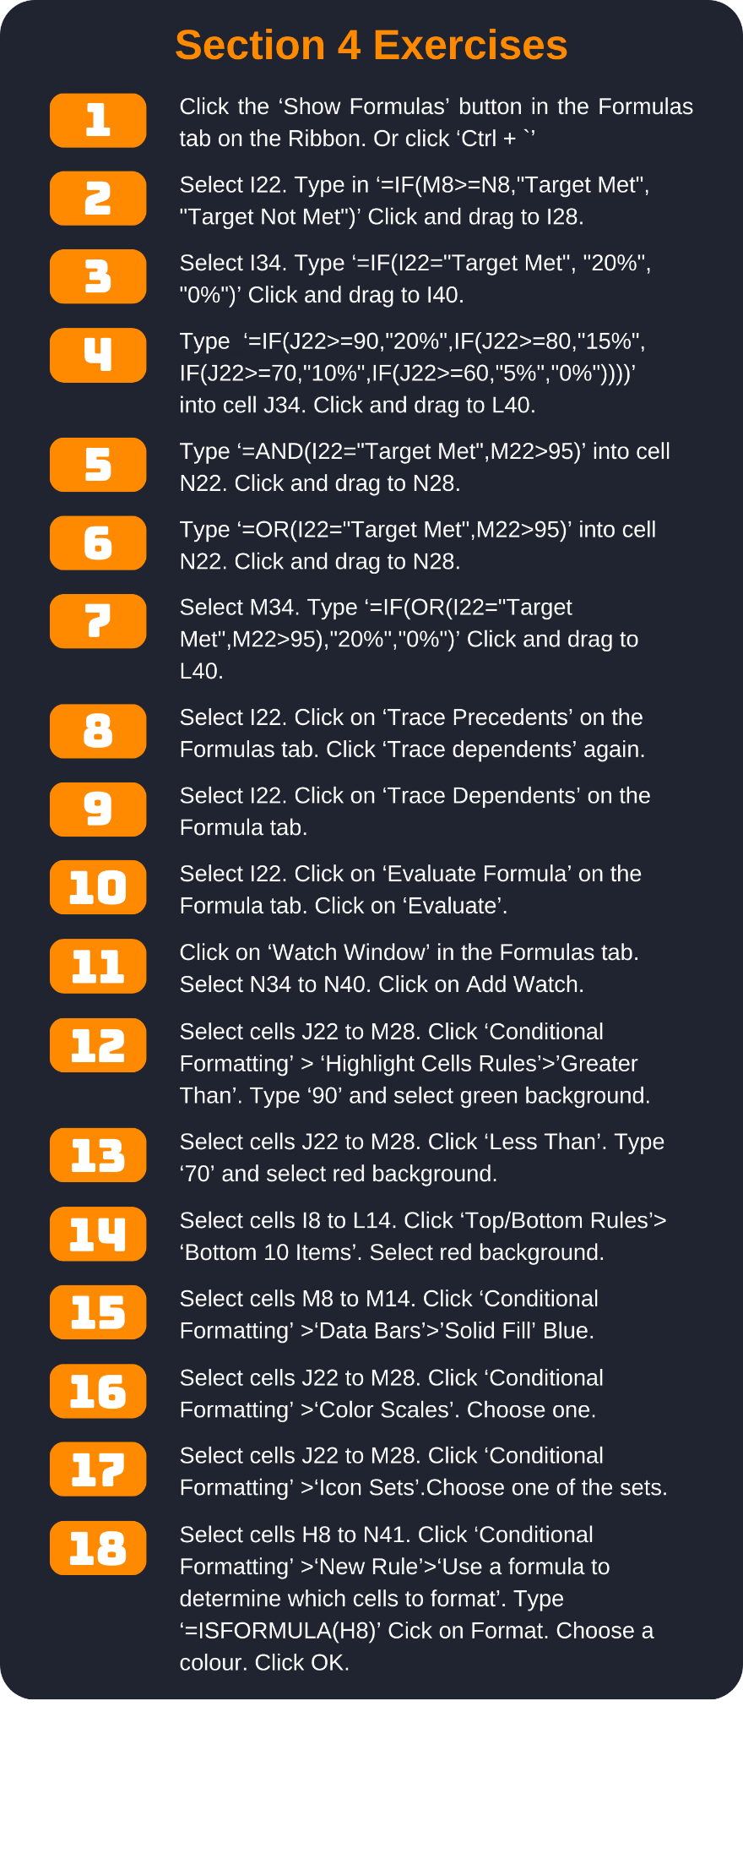
Employee Sales Report

Year | 2023

Employee name | Sales (Q1) | Sales (Q2) | Sales (Q3) | Sales (Q4) | Year Total | Target
Steven | 21417 | 20191 | 17734 | 15547 | 74889 | $83,400.00
Jim | 17292 | 27645 | 24881 | 19993 | 89811 | $86,400.00
Melissa | 19996 | 18470 | 26628 | 17621 | 82715 | $83,400.00
Cecilia | 26885 | 22115 | 18664 | 21122 | 88786 | $86,400.00
Tania | 23146 | 27872 | 19008 | 19811 | 89837 | $86,400.00
Michelle | 22736 | 27696 | 23277 | 27038 | 100747 | $95,800.00
Katherine | 21577 | 17516 | 16320 | 26599 | 82012 | $83,400.00
Sub total | $153,049.00 | $161,505.00 | $146,512.00 | $147,731.00 | $608,797.00 | $605,200.00

Employee Performance Report

Employee Name | Target Met | Work Quality | Productivity | Knowledge | Average | High Performance
Steven |  | 60 | 75 | 75 | 70
Jim |  | 90 | 95 | 85 | 90
Melissa |  | 95 | 95 | 100 | 97
Cecilia |  | 95 | 85 | 90 | 90
Tania |  | 85 | 80 | 95 | 87
Michelle |  | 95 | 100 | 95 | 97
Katherine |  | 65 | 95 | 70 | 77

Employee Bonus Report

Employee Name | Target | Work Quality | Productivity | Knowledge | High Performance | Bonus eligible
Steven |  |  |  |  |  | 0%
Jim |  |  |  |  |  | 0%
Melissa |  |  |  |  |  | 0%
Cecilia |  |  |  |  |  | 0%
Tania |  |  |  |  |  | 0%
Michelle |  |  |  |  |  | 0%
Katherine |  |  |  |  |  | 0%
Totals allowed | 20% | 20% | 20% | 20% | 20% | 100%

Section 6
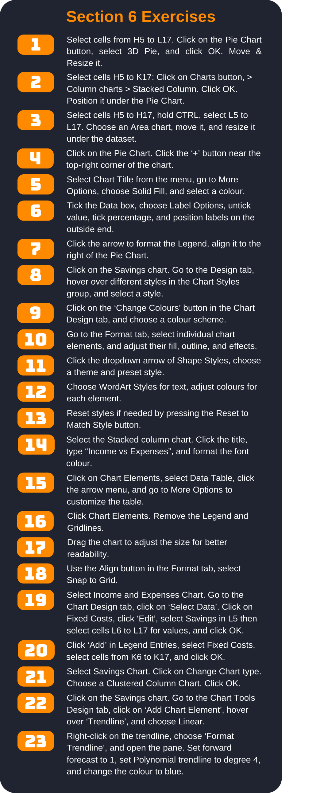
Annual Accounts

Month | Income | Expenses | Fixed Costs | Savings
January | $5,185.00 | $1,500.45 | $1,255.48 | $2,429.07
February | $3,528.00 | $1,756.85 | $1,255.48 | $515.67
March | $3,587.00 | $1,945.23 | $1,255.48 | $386.29
April | $3,865.00 | $1,800.64 | $1,255.48 | $808.88
May | $3,746.00 | $1,840.62 | $1,255.48 | $649.90
June | $4,254.00 | $1,921.10 | $1,255.48 | $1,077.42
July | $3,468.00 | $1,874.16 | $1,255.48 | $338.36
August | $3,215.00 | $1,564.29 | $1,255.48 | $395.23
September | $2,421.00 | $1,743.50 | $1,255.48 | $-577.98
October | $4,045.00 | $1,304.28 | $1,255.48 | $1,485.24
November | $2,350.00 | $1,703.82 | $1,255.48 | $-609.30
December | $5,205.00 | $1,353.57 | $1,255.48 | $2,595.95
Sub total | $44,869.00 | $20,308.51 | $15,065.76 | $9,494.73

